Parts Mapping
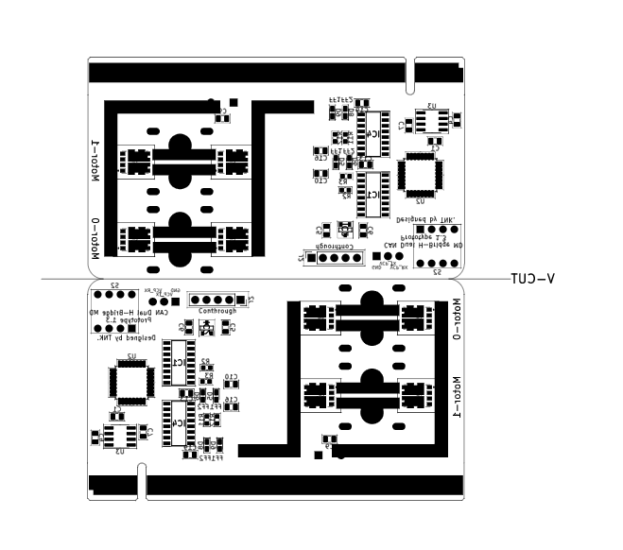
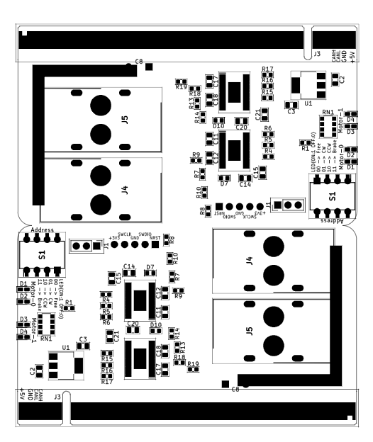
When mounting, do not place solder on parts where components are not specified in the BOM.

Front

Back

